Dashboard


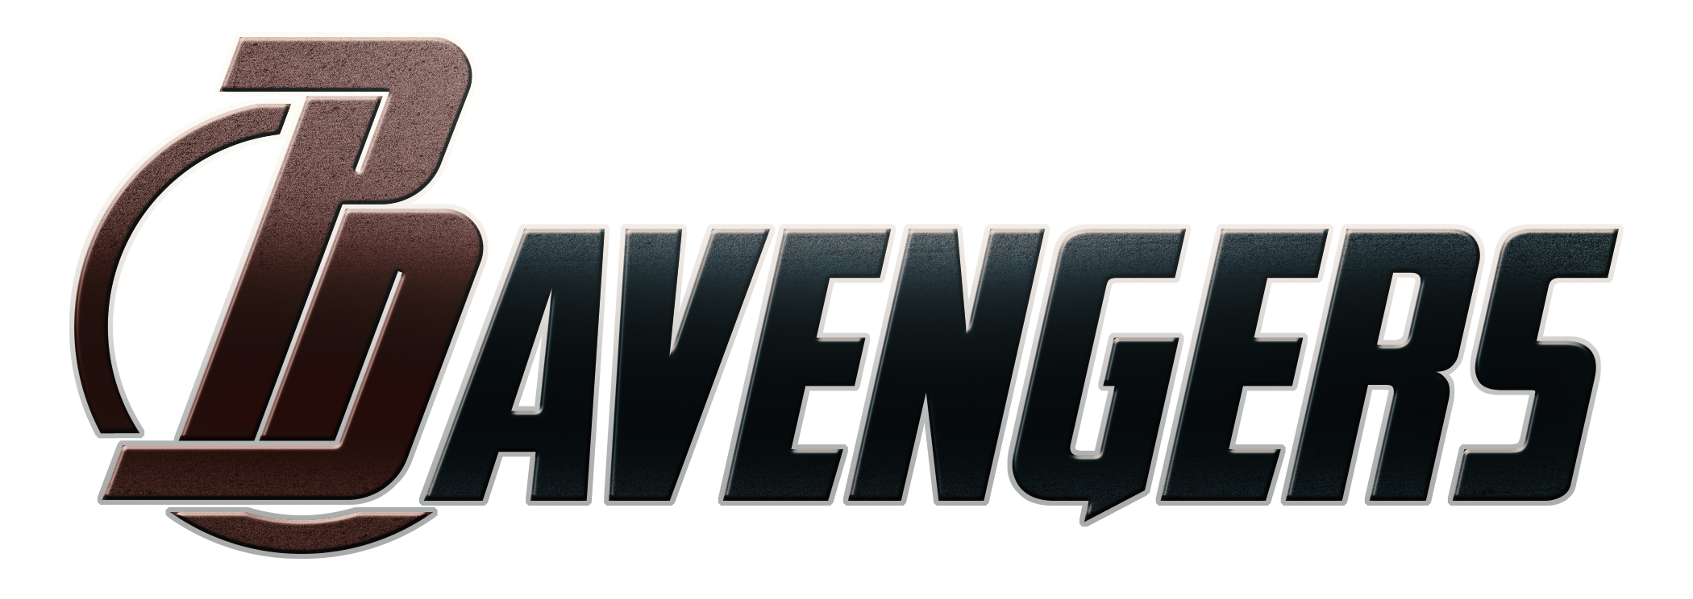

7/2017

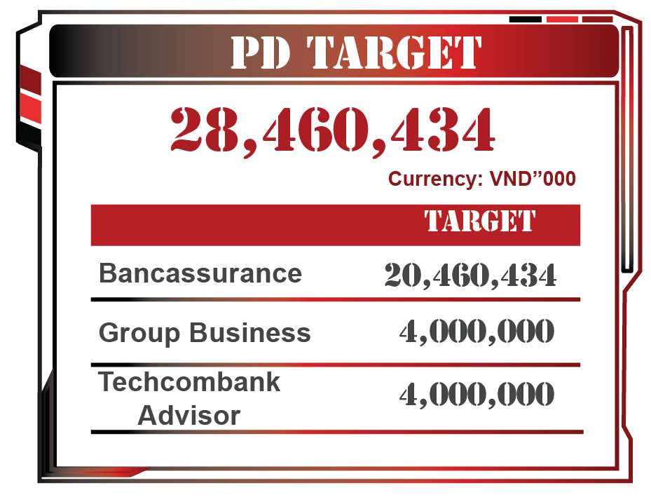


 |  |  |  |  |  |  |  |  |  |  |  |  | 79.89%

 |  |  |  |  |  |  |  |  | 22,737,374

 | last month | Target | ACTUAL | % ACHIEVEMENT
Bancassurance | 18,402,980 | 20,460,434 | 17,173,454 | 84%
Group Business | 336,581 | 4,000,000 | 4,216,541 | 105%
Techcombank Advisor | 1,383,096 | 4,000,000 | 1,347,379 | 34%

 |  |  |  |  |  |  |  |  | Currency: VND”000
 |  |  |  |  |  |  |  |  |  | ACTUAL |  | % ACHIEVEMENT |  | Last month

 |  |  |  |  |  |  |  |  | Bancassurance | 17,173,454 |  | 83.9% |  | 18,402,980

 |  |  |  |  |  |  |  |  | Group Business | 4,216,541 |  | 105.4% |  | 336,581

 |  |  |  |  |  |  |  |  | Techcombank Advisor | 1,347,379 |  | 33.7% |  | 1,383,096

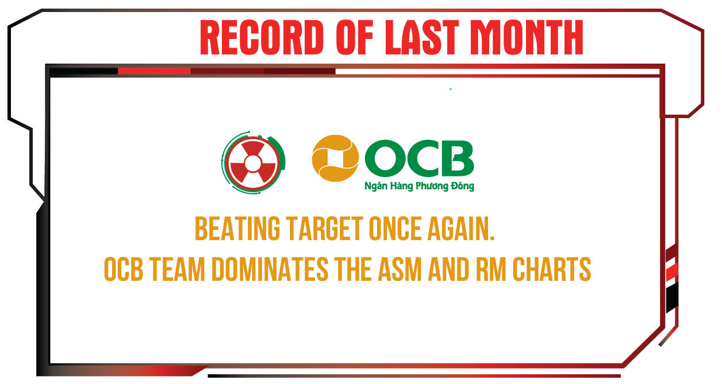
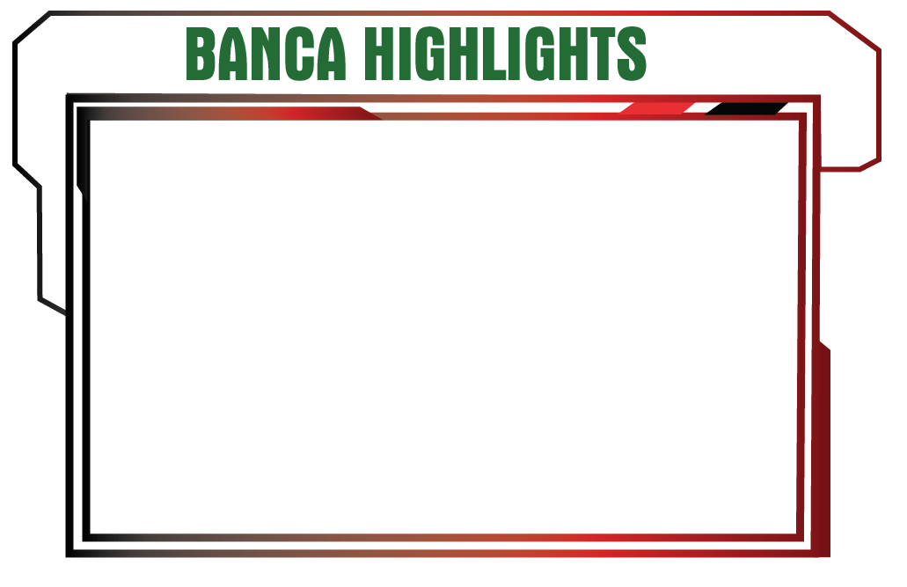

 | EIB | TCB | CMG |  | OCB |  | CEN GROUP

TARGET | 3,500,434 | 15,000,000 | 600,000 |  | 820,000 |  | 540,000

APE | 2,263,845 | 14,149,084 | 156,799 |  | 489,208 |  | 114,518

ACHIEVEMENT | 64.67% | 94.33% | 26.13% |  | 59.66% |  | 21.21%

SUB | 2,508,821 | 16,072,000 | 229,234 |  | 716,506 |  | 112,662

PENDING | 301,154 | 1,470,133 | 13,164 |  | 193,075 |  | 18,201

CFI | 408,003 | 1,382,110 | 0 |  | 89,448 |  | 0

No. Active | 223 |  | Total | 431

ACTIVE RATIO | 51.74%

 | BANK | ASM |  | % APE (ISSUED) ACHIEVEMENT |  | BANK |  | RM | % APE (ISSUED) ACHIEVEMENT | BANK |  | RM |  | % APE (ISSUED) ACHIEVEMENT
 | EIB | NGUYEN MINH TAM |  | 126.30% |  | EIB | TRAN THI MY HANH |  | 229.16% | EIB | LE THI HUYEN TRANG |  |  | 17.68%
 | TCB | LE DINH DU |  | 95.09% |  | TCB | HO THI MINH |  | 198.78% | CMG | VO HOANG AN |  |  | 14.91%
 | TCB | NGUYEN XUAN KIEN |  | 93.95% |  | TCB | HOANG VAN QUYEN |  | 131.85% | EIB | BUI NGOC LE |  |  | 14.45%
 | OCB | LE THANH SON |  | 59.66% |  | EIB | TRINH VIET THANG |  | 118.14% | EIB | NGUYEN NGOC HUY |  |  | 0.00%
 | EIB | DANG THI NGOC TRINH |  | 55.13% |  | TCB | PHAN NGOC TAN |  | 107.25% | EIB | DANG THI BICH LIEN |  |  | 0.00%
 | EIB | NGUYEN THI TAM |  | 39.16% |  | TCB | NGUYEN THI THU TRANG |  | 99.16% | CEN GROUP | NGUYEN HUNG THINH |  |  | 0.00%
 | CMG | HUYNH HUU THIEN |  | 34.84% |  | TCB | TRAN THI TRUC TRAM |  | 98.56% | CMG | QUACH TRUNG KIEN |  |  | 0.00%

